Statistics & Graph
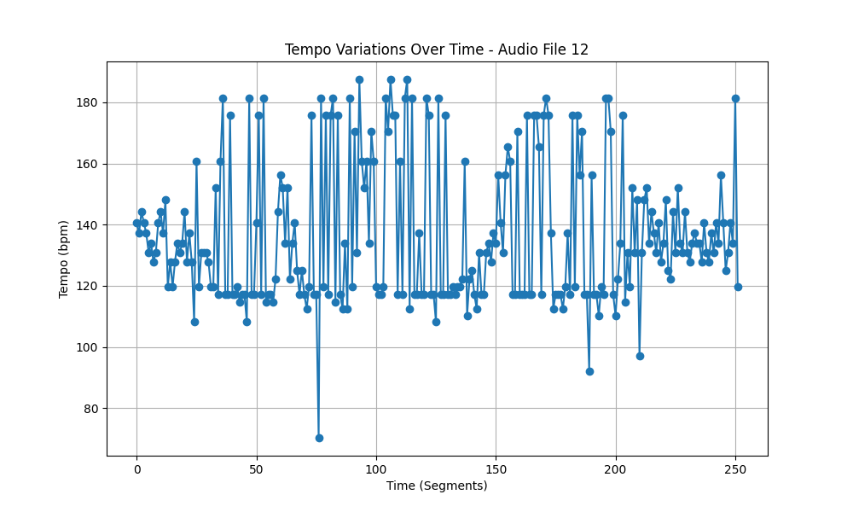
Metric | Value
Mean | 136.57730758
Standard Deviation | 22.893595296
Coefficient of Variation (CV) | 16.762371218

